Sheet1
Information Technology | 19.91 | 19.62
Financials | 16.00 | 13.95 | 0.30392501764 | financials | 0.32678171485 | AMERIPRISE FINCL
Health Care | 14.64 | 12.67 | 2.401695033 | ind | 2.3625418688 | BOEING CO
Consumer Discretionary | 12.33 | 10.97 | 1.5012726644 | ind | 1.6075258691 | CASCADES INC
Industrials | 10.36 | 9.77 | 2.7728218245 | hc | 2.5554562483 | CELGENE CORP
Consumer Staples | 9.73 | 8.71 | 1.5629333548 | eng | 1.6930174686 | EOG RESOURCES
Energy | 8.34 | 7.69 | 1.4902062228 | eng | 1.4982100425 | KINDER MORGAN
Utilities | 3.06 | 2.67 | 11.781812042 | financials | 10.967348985 | VNGRD REIT
Materials | 3.31 | 2.98 | 2.8572984751 | materials | 2.9808131222 | SS SPDR MATRIALS
Telecommunication Services | 2.31 | - | 4.228013625 | eng | 4.4938093794 | SS SPDR ENRGY
 | 99.99 | 89.032651015 | 13.431727931 | SS SPDR FNANCIAL | 13.625764534 | SS SPDR FNANCIAL
 |  |  | 5.7547391771 | SS SPDR INDUSTRL | 5.7987612113 | SS SPDR INDUSTRL
 |  |  | 19.113883662 | SS SPDR TECHNLGY | 19.620787537 | SS SPDR TECHNLGY
 |  |  | 8.8525253217 | SS SPDR CONS STP | 8.7122919442 | SS SPDR CONS STP
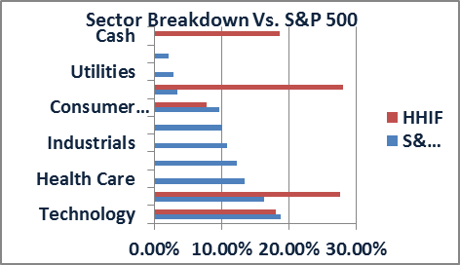
 |  |  | 3.0244195145 | SS SPDR UTILITIS | 2.6719302804 | SS SPDR UTILITIS
 |  |  | 10.370282895 | SS SPDR HLT CRE | 10.114783688 | SS SPDR HLT CRE
 |  |  | 10.55244324 | SS SPDR CONS DIS | 10.970176106 | SS SPDR CONS DIS

Sector Breakdown: Comparison With S&P 500 as of Feb. 23rd, 2015

